Analysis and findings
 | Summary of findings: |  | Finding: | Same graph, different style. I prefer line one but both are possible |  |  |  |  |  | Dominant hand is not noticably affected by alcohol but your nondominant hand has a consistently longer reaction time
 |  |  | Finding: response time mean from both hands is consistently higher after consuming 5 drinks. |  |  |  |  |  |  | To do: calculate deviation between dominant(0,5). Also for nondominant (0,5)
 |  |  | Finding: on average drinking 5 drinks adds 15% to your reaction time.
 |  |  | so theres a 5 percent difference between 0 and 5 drinks with dominant hands |  |  |  |  | so theres a 22 percent difference between 0 and 5 drinks on an average with nonominant hands
 | Seperated into drinks: only 0 drinks.
ID | 1 |  | 8 |  | 5 |  | 4 |  | 5 |  | 6 |  | 7 |  | 8
Name | Marieke |  | Melissa |  | Tom |  | Robin |  | Steve |  | Djoi |  | Angus |  | Mason
Age | 23 |  | 30 |  |  |  | 20 |  | 19 |  | 24 |  | 20 |  | 24
Weight | 65 |  | 45 |  |  |  | 60 |  | 80 |  | 58 |  | 64 |  | 86
Height | 162 |  | 149 |  |  |  | 169 |  | 191 |  | 178 |  | 178 |  | 167
Drinks | 0 | 0 | 0 |  | 0 |  | 0 |  | 0 |  | 0 |  | 0 |  | 0
Hand | D | N | D | N | 5 | N | D | N | D | N | D | N | D | N | D | N
Try 1 |  |  |  |  |  |  |  |  |  |  |  |  |  |  |  |  | mean per try
Try 2 | 755 | 895 | 1,225 | 1,554 | 1,065 | 1,625 | 1,173 | 1,653 | 1.08 | 1,980 | 855 | 1,508 | 861 |  | 1,225 | 1,754 | 1228.177
Try 3 | 643 | 1,088 | 1,135 | 2,654 | 1,077 | 1,395 | 1,147 | 1,047 | 1,058 | 1,304 | 1,103 | 1,407 | 648 | 866 | 1,271 | 1,374 | 1126.661
Try 4 | 762 | 1,044 | 1,001 | 2,172 | 829 | 1,316 | 866 | 865 | 1,430 | 968 | 831 | 809 | 776 | 1,092 | 1,091 | 1,834 | 1052.404
Try 5 | 826 | 1,044 | 1,193 | 2,255 | 715 | 1,876 | 800 | 484 | 1,517 | 2,047 | 946 | 1,035 | 818 | 1,868 | 0 | 910 | 1105.257
Try 6 | 784 | 883 | 844 | 1,980 | 835 | 1,338 | 810 | 1,160 | 1,283 | 1,777 | 855 | 1,013 | 621 | 847 | 855 | 979 | 995.9689
Try 7 | 904 | 1,149 | 833 | 1,228 | 815 | 1,424 | 663 | 1,080 | 1,036 | 2,498 | 1,015 | 788 | 930 | 663 | 1,339 | 1,396 | 1043.497
Try 8 | 768 | 1,229 | 1,372 | 1,664 | 963 | 1,182 | 799 | 822 | 1,686 | 722 | 1,168 | 1,698 | 692 | 641 | 1,407 | 1,698 | 1096.264
Try 9 | 700 | 974 | 833 | 1,383 | 0.92 | 1,119 | 1,025 | 1,068 | 1,203 | 427 | 641 | 1,249 |  | 847 | 1,135 | 1,507 | 949.8518
Try 10 | 1,213 | 1,305 | 1,440 | 1,271 | 864 | 1,246 | 719 | 1,046 | 1,227 | 1,281 | 912 | 1,349 | 706 | 958 | 956 | 1,576 | 1109.69
Try 11 | 741 | 1,192 | 1,272 | 1,115 | 1,028 | 1,486 | 888 | 788 | 1,012 | 1,699 | 788 | 1,251 | 536 | 769 | 1,282 | 1,181 | 994.617
Try 12 | 783 | 791 | 730 | 1,190 | 1,026 | 1,381 | 675 | 1,270 | 1,069 | 1,621 | 877 | 2,405 | 620 | 867 | 1,081 | 1,360 | 1020.699
Try 13 | 769 | 931 | 1,148 | 1,306 | 843 | 1,969 | 788 | 1,148 | 1,159 | 2,452 | 990 | 1,285 | 896 | 776 | 911 | 2,825 | 1140.264
Try 14 | 833 | 1.25 | 630 | 1,912 | 976 | 1,537 | 1,125 | 1,068 | 888 | 1,272 | 947 | 978 | 882 | 804 | 1,034 | 1,484 | 1024.647
Try 15 | 819 | 1,263 | 1,113 | 1,261 | 1,063 | 1.67 | 1,046 | 1,227 | 1,013 | 1,360 | 955 | 843 | 776 | 677 | 856 | 1,563 | 1027.025
Try 16 | 726 | 1,031 | 1,597 | 1,383 | 871 | 1,203 | 865 | 1,181 | 1,383 | 1,126 | 889 | 1,079 | 1,813 | 783 | 1,079 | 811 | 1085.01
Try 17 | 642 | 1,037 | 1,339 | 1,452 | 1,041 | 1,487 | 574 | 1,171 | 989 | 1,856 | 1,214 | 1,070 | 1,148 | 740 | 1,283 | 833 | 1046.259
Try 18 | 762 | 988 | 1,441 | 2,475 | 963 | 1,466 | 777 | 911 | 800 | 1,968 | 844 | 742 |  | 918 | 1,226 | 1,136 | 1069.521
Try 19 | 671 | 1,123 | 1,552 | 922 | 1,055 | 1,076 | 833 | 888 | 1,023 | 1,316 | 1,158 | 978 | 990 | 691 | 966 | 1,577 | 1017.065
mean | 783.3888889 | 1056.882353 | 1149.888889 | 1620.944444 | 942.8823529 | 1419.176471 | 865.1666667 | 1048.722222 | 1163.294118 | 1537.444444 | 943.7777778 | 1193.722222 | 857.0625 | 871 | 1055.388889 | 1433.222222 | 1062.93765
Seperated into drinks: only 5 drinks

Name | Marieke |  | Melissa |  | Tom |  | Robin |  | Steve |  | Djoi |  | Angus |  | Mason
Drinks | 5 |  | 5 |  | 5 |  | 5 |  | 5 |  | 5 |  | 5 |  | 5
Hand | D | N | D | N | D | N | D | N | D | N | D | N | D | N | D | N
Try 1 |  |  |  |  |  |  |  |  |  |  |  |  |  |  |  |  | mean per try
Try 2 |  | 2,015 | 1,249 | 1,306 | 3,439 | 1,890 | 957 | 1,619 | 1,384 | 1,306 | 698 | 1,328 | 1,515 | 840 | 2,658 | 1,939 | 1481.561
Try 3 | 890 | 2,069 | 922 | 1,237 | 1,609 | 1,482 | 898 | 1,295 | 1,598 | 2,147 | 989 | 1,099 | 974 | 2,221 | 1,926 | 1,559 | 1362.506
Try 4 | 687 | 1,270 | 1,159 | 1,643 | 709 | 2,229 | 787 | 1,181 | 1,158 | 1,080 | 597 | 1,452 | 1,064 | 1,242 | 1,389 | 1,298 | 1121.95
Try 5 | 707 | 1,159 | 1,282 | 3,769 |  | 1,700 | 821 | 1,002 | 1,407 | 1,237 | 516 | 1,192 | 1,101 | 1,742 | 1,298 | 1,531 | 1231.015
Try 6 | 709 | 1,383 | 866 | 1,766 | 1,221 | 1,355 | 812 | 1,045 | 854 | 2,475 | 1,047 | 1,383 | 1,008 | 1,699 | 1,241 | 1,008 | 1178.283
Try 7 | 720 | 1,800 | 833 | 1,530 | 1,143 | 2,729 | 989 | 934 | 1,069 | 1,709 | 1,003 | 1,092 | 1,354 | 1,382 | 684 | 3,118 | 1255.278
Try 8 | 1,282 | 1,949 | 982 | 1,091 | 1,100 | 1,721 | 730 | 1,080 | 989 | 2,802 | 662 | 1,507 | 706 | 1,947 | 839 | 1,227 | 1187.471
Try 9 | 866 | 1,833 | 1,280 | 2,531 | 875 | 1,355 | 922 | 1,079 | 1,486 | 1,215 | 753 | 1,902 | 923 | 1,623 | 1,446 | 2,200 | 1309.482
Try 10 | 720 | 866 | 1,215 | 1,237 | 1,560 | 2,356 | 844 | 1,171 | 1,936 | 2,385 | 641 | 1,856 | 854 | 1,515 | 924 | 1,438 | 1242.211
Try 11 | 1,159 | 1,383 | 1,114 | 1,271 | 1,065 | 1,446 | 766 | 989 | 1,350 | 3,780 | 732 | 1,249 | 796 | 1,192 | 895 | 1,361 | 1180.771
Try 12 | 1,114 | 1,013 | 1,125 | 1,597 | 1,185 | 1,834 | 787 | 1,721 | 978 | 1,328 | 700 | 1,159 | 959 | 2,138 | 784 | 1,756 | 1196.949
Try 13 | 1,338 | 1,417 | 957 | 1,451 | 1,284 | 2,116 | 865 | 1,282 | 1,631 | 2,464 | 582 | 1,204 | 804 | 1,325 | 1,001 | 1,623 | 1256.619
Try 14 | 889 | 1,430 | 1,001 | 1,137 | 882 | 2,864 | 877 | 810 | 1,103 | 3,397 | 609 | 1,833 | 1,030 | 1,510 | 924 | 2,434 | 1255.238
Try 15 | 833 | 1,237 | 1,203 | 1,013 | 868 | 1,883 | 989 | 1,182 | 1,778 | 2,272 |  | 1,046 | 1,051 | 1,537 | 1,234 | 1,693 | 1265.551
Try 16 | 731 | 911 | 1,204 | 1,575 | 1,650 | 1,327 | 675 | 1,844 | 888 | 2,711 | 1,047 | 1,170 | 720 | 1,200 | 818 | 2,447 | 1196.11
Try 17 | 957 | 1,104 | 1,338 | 1,653 | 1,184 | 1,997 | 732 | 1,474 | 1,360 | 1,564 | 911 | 1,485 | 995 | 1,269 | 910 |  | 1219.868
Try 18 | 819 | 1,394 | 1,150 | 1,293 | 804 | 1,890 | 709 | 1,338 | 1,126 | 2,645 | 911 | 1,475 | 1,037 | 1,207 | 952 |  | 1177.979
Try 19 | 733 | 821 | 1,450 | 1,234 | 1,171 | 1,300 | 641 | 1,858 | 1,360 | 2,239 | 776 | 1,124 | 1,311 | 1,834 | 1,325 | 2,814 | 1271.177
Minimum | 687 | 821 | 833 | 1,013 | 709 | 1,300 | 641 | 810 | 854 | 1,080 | 516 | 1,046 | 706 | 840 | 684 | 1,008
Maximum | 1,338 | 2,069 | 1,450 | 3,769 | 3,439 | 2,864 | 989 | 1,858 | 1,936 | 3,780 | 1,047 | 1,902 | 1,515 | 2,221 | 2,658 | 3,118
Mean | 891 | 1,392 | 1,129 | 1,574 | 1,279 | 1,860 | 822 | 1,272 | 1,303 | 2,153 | 775 | 1,364 | 1,011 | 1,524 | 1,180 | 1,840
Absolute mean difference between same sided hands | 108 | 394 | 20 | 47 | 1,279 | 1,860 | 43 | 224 | 204 | 616 | 169 | 171 | 154 | 653 | 66 | 407
absolute mean difference between d and n hand | 500 |  | 445 |  | 580 |  | 450 |  | 850 |  | 589 |  | 512 |  | 660
Median
Stdev | 210 | 397 | 171 | 647 | 621 | 467 | 104 | 314 | 307 | 777 | 175 | 272 | 214 | 361 | 480 | 603

 | Mean per try, of both hands.
 | tries | 0 drinks | 5 drinks | Finding: | Same graph, different style. I prefer line one but both are possible |  |  |  |  |  | Finding: on average drinking 5 drinks adds 15% to your reaction time.
 | 1 | 1228.177 | 1481.561 | Finding: response time mean from both hands is consistently higher after consuming 5 drinks.
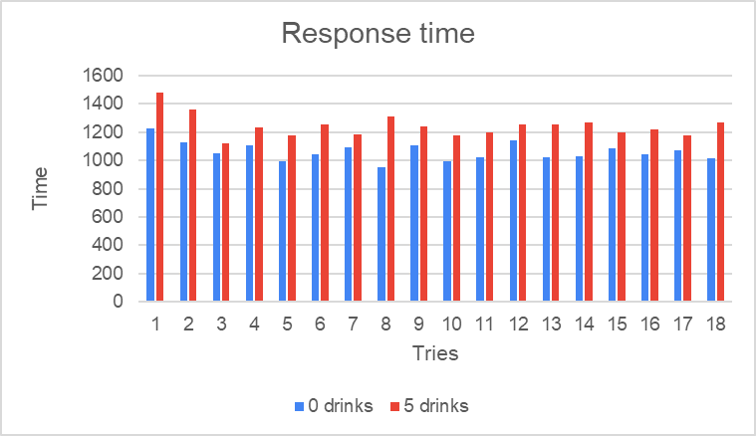
 | 2 | 1126.661 | 1362.506
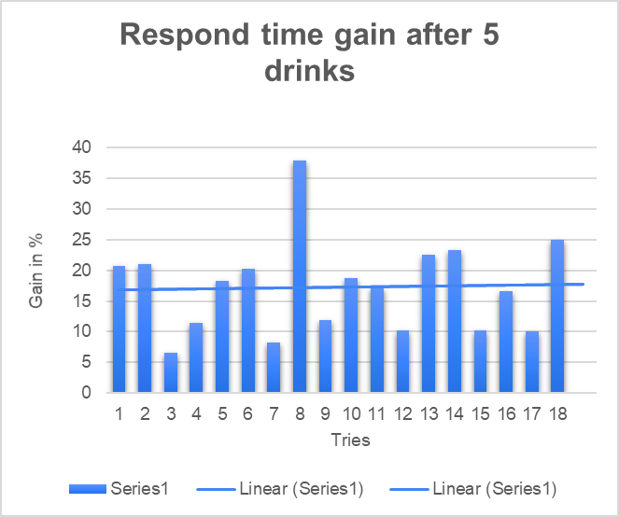
 | 3 | 1052.404 | 1121.95
 | 4 | 1105.257 | 1231.015 |  |  |  |  |  | tries | percentage of respong time gain between 0 and 5 drinks
 | 5 | 995.9689 | 1178.283 |  |  |  |  |  | 1 | 20.63091
 | 6 | 1043.497 | 1255.278 |  |  |  |  |  | 2 | 20.9331
 | 7 | 1096.264 | 1187.471 |  |  |  |  |  | 3 | 6.608332
 | 8 | 949.8518 | 1309.482 |  |  |  |  |  | 4 | 11.37818
 | 9 | 1109.69 | 1242.211 |  |  |  |  |  | 5 | 18.30518
 | 10 | 994.617 | 1180.771 |  |  |  |  |  | 6 | 20.2953
 | 11 | 1020.699 | 1196.949 |  |  |  |  |  | 7 | 8.319849
 | 12 | 1140.264 | 1256.619 |  |  |  |  |  | 8 | 37.86175
 | 13 | 1024.647 | 1255.238 |  |  |  |  |  | 9 | 11.94215
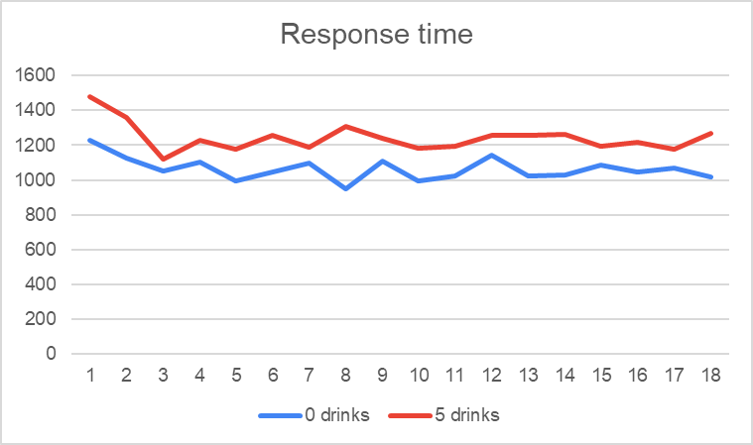
 | 14 | 1027.025 | 1265.551 |  |  |  |  |  | 10 | 18.71612
 | 15 | 1085.01 | 1196.11 |  |  |  |  |  | 11 | 17.26761
 | 16 | 1046.259 | 1219.868 |  |  |  |  |  | 12 | 10.20419
 | 17 | 1069.521 | 1177.979 |  |  |  |  |  | 13 | 22.50442
 | 18 | 1017.065 | 1271.177 |  |  |  |  |  | 14 | 23.22489
 |  |  |  |  |  |  |  |  | 15 | 10.23951
 |  |  |  |  |  |  |  |  | 16 | 16.5933
 |  |  |  |  |  |  |  |  | 17 | 10.14071
 |  |  |  |  |  |  |  |  | 18 | 24.98481
Seperated into both drinks and hands: |  |  |  |  |  |  |  |  | mean | 17.23057283
 |  |  | 0 drinks
 |  |  |  |  |  |  |  |  |  |  |  | 5 drinks
 | D | D | D | D | D | D | D |  | D | D | D | D | D | D | D
 |  |  |  |  |  |  |  | mean |  |  |  |  |  |  |  |  | mean
 | 755 | 1,225 | 1,173 | 1.08 | 855 | 861 | 1,225 | 996.3557 |  | 1,249 | 3,439 | 957 | 1,384 | 698 | 1,515 | 2,658 | 1485.87
 | 643 | 1,135 | 1,147 | 1,058 | 1,103 | 648 | 1,271 | 969.4098 | 890 | 922 | 1,609 | 898 | 1,598 | 989 | 974 | 1,926 | 1170.153
 | 762 | 1,001 | 866 | 1,430 | 831 | 776 | 1,091 | 943.2943 | 687 | 1,159 | 709 | 787 | 1,158 | 597 | 1,064 | 1,389 | 905.9902
 | 826 | 1,193 | 800 | 1,517 | 946 | 818 | 1,069 | 998.4612 | 707 | 1,282 |  | 821 | 1,407 | 516 | 1,101 | 1,298 | 963.7201
 | 784 | 844 | 810 | 1,283 | 855 | 621 | 855 | 846.78 | 709 | 866 | 1,221 | 812 | 854 | 1,047 | 1,008 | 1,241 | 953.0904
 | 904 | 833 | 663 | 1,036 | 1,015 | 930 | 1,339 | 941.0894 | 720 | 833 | 1,143 | 989 | 1,069 | 1,003 | 1,354 | 684 | 951.7474
 | 768 | 1,372 | 799 | 1,686 | 1,168 | 692 | 1,407 | 1070.801 | 1,282 | 982 | 1,100 | 730 | 989 | 662 | 706 | 839 | 889.5431
 | 700 | 833 | 1,025 | 1,203 | 641 |  | 1,135 | 897.6308 | 866 | 1,280 | 875 | 922 | 1,486 | 753 | 923 | 1,446 | 1036.827
 | 1,213 | 1,440 | 719 | 1,227 | 912 | 706 | 956 | 992.4806 | 720 | 1,215 | 1,560 | 844 | 1,936 | 641 | 854 | 924 | 1015.158
 | 741 | 1,272 | 888 | 1,012 | 788 | 536 | 1,282 | 894.6222 | 1,159 | 1,114 | 1,065 | 766 | 1,350 | 732 | 796 | 895 | 963.3098
 | 783 | 730 | 675 | 1,069 | 877 | 620 | 1,081 | 816.739 | 1,114 | 1,125 | 1,185 | 787 | 978 | 700 | 959 | 784 | 938.4536
 | 769 | 1,148 | 788 | 1,159 | 990 | 896 | 911 | 940.6324 | 1,338 | 957 | 1,284 | 865 | 1,631 | 582 | 804 | 1,001 | 1010.42
 | 833 | 630 | 1,125 | 888 | 947 | 882 | 1,034 | 892.9794 | 889 | 1,001 | 882 | 877 | 1,103 | 609 | 1,030 | 924 | 902.4814
 | 819 | 1,113 | 1,046 | 1,013 | 955 | 776 | 856 | 932.4132 | 833 | 1,203 | 868 | 989 | 1,778 |  | 1,051 | 1,234 | 1102.8
 | 726 | 1,597 | 865 | 1,383 | 889 | 1,813 | 1,079 | 1134.041 | 731 | 1,204 | 1,650 | 675 | 888 | 1,047 | 720 | 818 | 925.1713
 | 642 | 1,339 | 574 | 989 | 1,214 | 1,148 | 1,283 | 980.7186 | 957 | 1,338 | 1,184 | 732 | 1,360 | 911 | 995 | 910 | 1027.766
 | 762 | 1,441 | 777 | 800 | 844 |  | 1,226 | 943.6852 | 819 | 1,150 | 804 | 709 | 1,126 | 911 | 1,037 | 952 | 926.6582
 | 671 | 1,552 | 833 | 1,023 | 1,158 | 990 | 966 | 997.5215 | 733 | 1,450 | 1,171 | 641 | 1,360 | 776 | 1,311 | 1,325 | 1048.669

 |  |  | 0 drinks |  |  |  |  |  |  |  |  | 5 drinks
 | N | N | N | N | N | N | N |  | N | N | N | N | N | N | N | N
 |  |  |  |  |  |  |  | mean |  |  |  |  |  |  |  |  | mean
 | 895 | 1,554 | 1,653 | 1,980 | 1,508 |  | 1,754 | 1513.935 | 2,015 | 1,306 | 1,890 | 1,619 | 1,306 | 1,328 | 840 | 1,939 | 1477.8
 | 1,088 | 2,654 | 1,047 | 1,304 | 1,407 | 866 | 1,374 | 1309.42 | 2,069 | 1,237 | 1,482 | 1,295 | 2,147 | 1,099 | 2,221 | 1,559 | 1586.478
 | 1,044 | 2,172 | 865 | 968 | 809 | 1,092 | 1,834 | 1174.133 | 1,270 | 1,643 | 2,229 | 1,181 | 1,080 | 1,452 | 1,242 | 1,298 | 1389.388
 | 1,044 | 2,255 | 484 | 2,047 | 1,035 | 1,868 | 910 | 1223.476 | 1,159 | 3,769 | 1,700 | 1,002 | 1,237 | 1,192 | 1,742 | 1,531 | 1525.06
 | 883 | 1,980 | 1,160 | 1,777 | 1,013 | 847 | 979 | 1171.443 | 1,383 | 1,766 | 1,355 | 1,045 | 2,475 | 1,383 | 1,699 | 1,008 | 1456.683
 | 1,149 | 1,228 | 1,080 | 2,498 | 788 | 663 | 1,396 | 1157.048 | 1,800 | 1,530 | 2,729 | 934 | 1,709 | 1,092 | 1,382 | 3,118 | 1655.609
 | 1,229 | 1,664 | 822 | 722 | 1,698 | 641 | 1,698 | 1122.331 | 1,949 | 1,091 | 1,721 | 1,080 | 2,802 | 1,507 | 1,947 | 1,227 | 1585.182
 | 974 | 1,383 | 1,068 | 427 | 1,249 | 847 | 1,507 | 997.024 | 1,833 | 2,531 | 1,355 | 1,079 | 1,215 | 1,902 | 1,623 | 2,200 | 1653.838
 | 1,305 | 1,271 | 1,046 | 1,281 | 1,349 | 958 | 1,576 | 1240.742 | 866 | 1,237 | 2,356 | 1,171 | 2,385 | 1,856 | 1,515 | 1,438 | 1520.048
 | 1,192 | 1,115 | 788 | 1,699 | 1,251 | 769 | 1,181 | 1105.788 | 1,383 | 1,271 | 1,446 | 989 | 3,780 | 1,249 | 1,192 | 1,361 | 1447.322
 | 791 | 1,190 | 1,270 | 1,621 | 2,405 | 867 | 1,360 | 1275.592 | 1,013 | 1,597 | 1,834 | 1,721 | 1,328 | 1,159 | 2,138 | 1,756 | 1526.647
 | 931 | 1,306 | 1,148 | 2,452 | 1,285 | 776 | 2,825 | 1382.265 | 1,417 | 1,451 | 2,116 | 1,282 | 2,464 | 1,204 | 1,325 | 1,623 | 1562.807
 | 1.25 | 1,912 | 1,068 | 1,272 | 978 | 804 | 1,484 | 1202.991 | 1,430 | 1,137 | 2,864 | 810 | 3,397 | 1,833 | 1,510 | 2,434 | 1745.877
 | 1,263 | 1,261 | 1,227 | 1,360 | 843 | 677 | 1,563 | 1131.238 | 1,237 | 1,013 | 1,883 | 1,182 | 2,272 | 1,046 | 1,537 | 1,693 | 1427.545
 | 1,031 | 1,383 | 1,181 | 1,126 | 1,079 | 783 | 811 | 1038.1 | 911 | 1,575 | 1,327 | 1,844 | 2,711 | 1,170 | 1,200 | 2,447 | 1546.394
 | 1,037 | 1,452 | 1,171 | 1,856 | 1,070 | 740 | 833 | 1116.18 | 1,104 | 1,653 | 1,997 | 1,474 | 1,564 | 1,485 | 1,269 |  | 1483.758
 | 988 | 2,475 | 911 | 1,968 | 742 | 918 | 1,136 | 1190.655 | 1,394 | 1,293 | 1,890 | 1,338 | 2,645 | 1,475 | 1,207 |  | 1549.685
 | 1,123 | 922 | 888 | 1,316 | 978 | 691 | 1,577 | 1036.992 | 821 | 1,234 | 1,300 | 1,858 | 2,239 | 1,124 | 1,834 | 2,814 | 1540.898

 | Means per try grouped together for easier use in graphs |  |  |  |  |  |  |  |  |  | Dominant hand is not noticably affected by alcohol but your nondominant hand has a consistently longer reaction time
 |  |  |  |  |  |  |  |  |  |  | To do: calculate deviation between dominant(0,5). Also for nondominant (0,5)
 |  | tries | 0 drinks | 5 drinks |  |  | tries | 0 drinks | 5 drinks
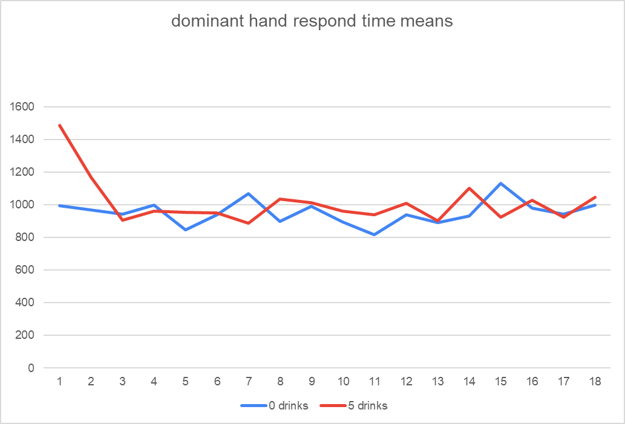
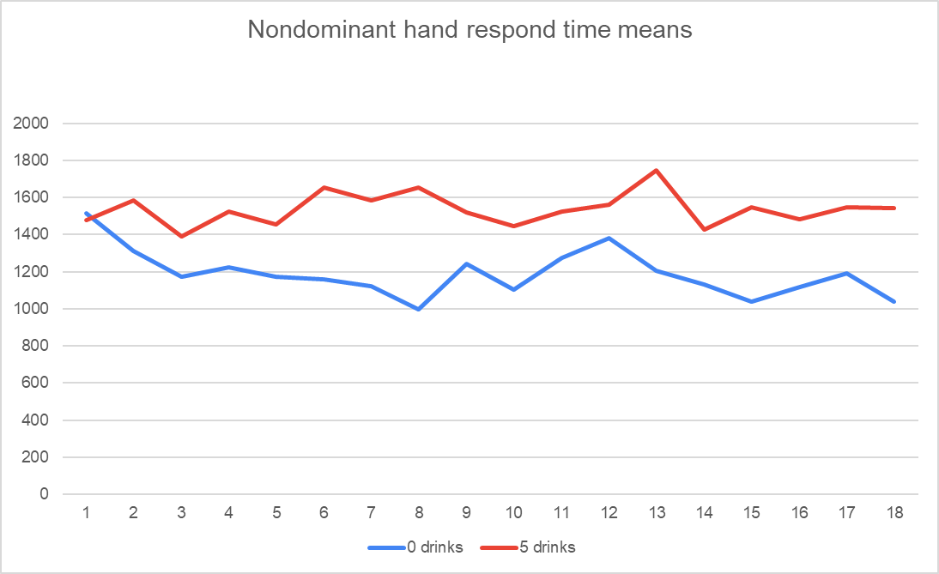
 |  | 1 | 996.3557 | 1485.87 |  |  | 1 | 1513.935 | 1477.8
 |  | 2 | 969.4098 | 1170.153 |  |  | 2 | 1309.42 | 1586.478
 |  | 3 | 943.2943 | 905.9902 |  |  | 3 | 1174.133 | 1389.388
 |  | 4 | 998.4612 | 963.7201 |  |  | 4 | 1223.476 | 1525.06
 | dominant | 5 | 846.78 | 953.0904 |  |  | 5 | 1171.443 | 1456.683
 |  | 6 | 941.0894 | 951.7474 |  |  | 6 | 1157.048 | 1655.609
 |  | 7 | 1070.801 | 889.5431 |  |  | 7 | 1122.331 | 1585.182
 |  | 8 | 897.6308 | 1036.827 |  | nondominant | 8 | 997.024 | 1653.838
 |  | 9 | 992.4806 | 1015.158 |  |  | 9 | 1240.742 | 1520.048
 |  | 10 | 894.6222 | 963.3098 |  |  | 10 | 1105.788 | 1447.322
 |  | 11 | 816.739 | 938.4536 |  |  | 11 | 1275.592 | 1526.647
 |  | 12 | 940.6324 | 1010.42 |  |  | 12 | 1382.265 | 1562.807
 |  | 13 | 892.9794 | 902.4814 |  |  | 13 | 1202.991 | 1745.877
 |  | 14 | 932.4132 | 1102.8 |  |  | 14 | 1131.238 | 1427.545
 |  | 15 | 1134.041 | 925.1713 |  |  | 15 | 1038.1 | 1546.394
 |  | 16 | 980.7186 | 1027.766 |  |  | 16 | 1116.18 | 1483.758
 |  | 17 | 943.6852 | 926.6582 |  |  | 17 | 1190.655 | 1549.685
 |  | 18 | 997.5215 | 1048.669 |  |  | 18 | 1036.992 | 1540.898
 |  | mean | 954.98085 | 1012.101583 |  |  |  | 1188.297389 | 1537.834389
 |  | absolute difference | 57.12073333 |  |  |  | abs difference | 352.6006111
 |  | mean percentage | 5.981348561 | 5.643774723 |  |  | mean percentage | 29.67275822 | 22.92838642

 |  | so theres a 5 percent difference between 0 and 5 drinks with dominant hands |  |  |  |  | so theres a 22 percent difference between 0 and 5 drinks on an average with nonominant hands

